WORK PLAN
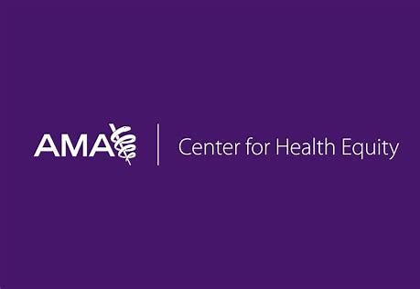
Improving Capacity of Physician-led Practices to Prevent, Mitigate and Treat COVID-19: Elevating Best Practices in the Care of Minoritized Populations
Please complete all three tabs - Work Plan, Budget and Data Management
WORKPLAN (November 1, 2021 - July 31, 2022)
The format of this document cannot be adjusted and other formats will not be accepted. Please retain all categories. Complete the budget, workplan and data management plan on each corresponding tab in this document. Once complete, upload the document through the online application portal here: https://survey.alchemer.com/s3/6504178/RFP-for-Minoritized-Physicians

Project Title:
Goal(s):

The format of this document cannot be adjusted and other formats will not be accepted. You can add as many objectives as necessary for your project.
KEY TASKS / ACTIVITIES | PERSON RESPONSIBLE | START DATE | END DATE | RESOURCES NEEDED | POTENTIAL RISKS

